DMV Forms & Use
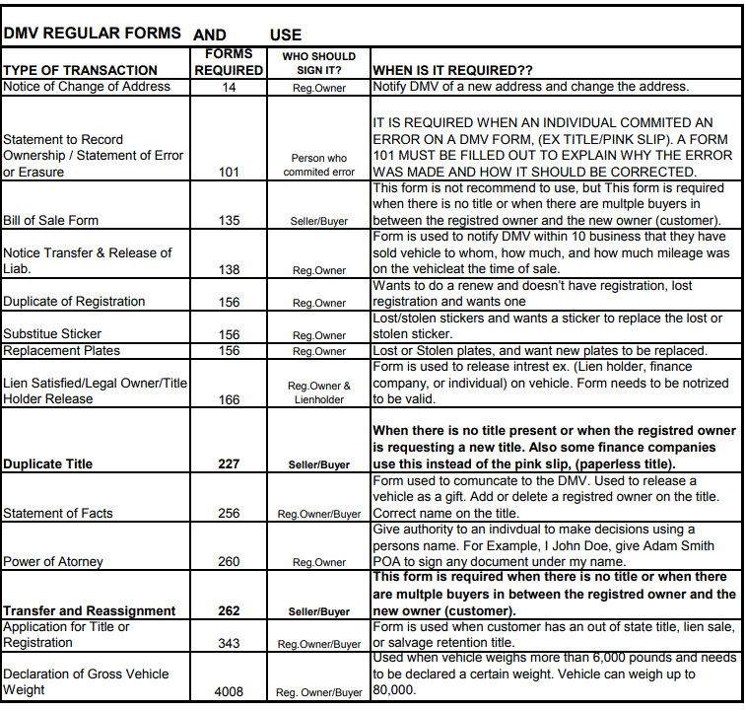

PERSONAL PLATES
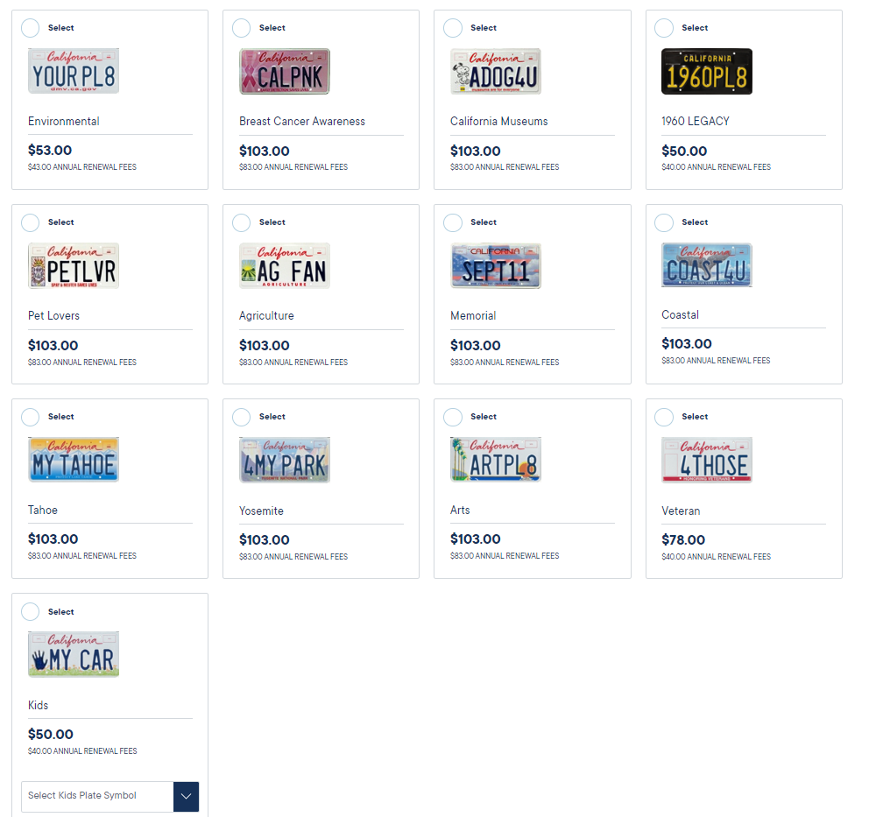
BREAKDOWN RECEIPT with Prices for Different Models of Personal Plates

Please, check the model of Personal Plates to take the correct price
What is the correct amount to your customer?

The next receipt, is an example of concepts breakdown

PERSONAL PLATES RECEIPT | Amounts
BF Replacement Plates | $51.50
BF TRIP REQ | $45.00
AVRS Fees Reg (CVR FEES REG) | $8.50
MY PERSONAL PLATES | $50.00 | 1960 Legacy Model
TOTAL New Personal Plates | $155.00

Remember included your Form DMV Reg.17 for any Personal Plates Application
If you will change Address at the same time, please include DMV Reg.14

DMV PERSONAL PLATES MODEL | My Personal Plates (DMV Cost) | Annual Renewal DMV Fees
Environmental | $53.00 | $43.00
Breast Cancer Awareness | $103.00 | $83.00
California Museums | $103.00 | $83.00
1960 Legacy (Black & Yellow) | $50.00 | $40.00
Pet Lovers | $103.00 | $83.00
Agriculture | $103.00 | $83.00
Memorial | $103.00 | $83.00
Coastal | $103.00 | $83.00
Tahoe | $103.00 | $83.00
Yosemite | $103.00 | $83.00
Arts | $103.00 | $83.00
Veteran | $78.00 | $40.00
Kids | $50.00 | $40.00

